Calculating Ethanol Intake
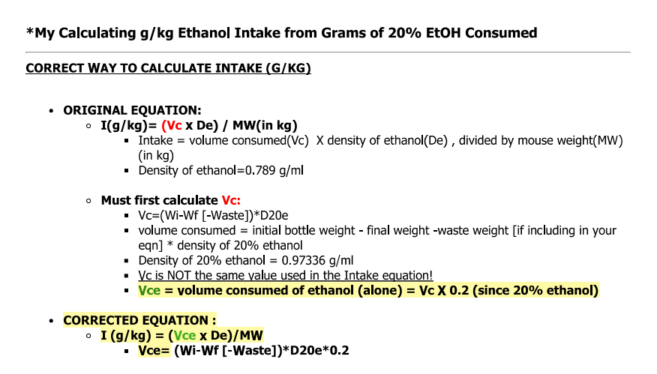
 | CORRECT WAY TO CALCULATE INTAKE (G/KG) |  |  |  | Wilcox, M.V., Carlson, V.C.C., Sherazee, N., Sprow, G.M., Bock, R., Thiele, T.E., Lovinger, D.M., and Alvarez, V.A. (2014). Repeated Binge-Like Ethanol Drinking Alters Ethanol Drinking Patterns and Depresses Striatal GABAergic Transmission. Neuropsychopha
 | ORIGINAL EQUATION:
 | I(g/kg)= (Vc x De) / MW(in kg)
 | Vc=(Wi-Wf[-Waste])xDe
 |  |  |  |  |  |  |  | CORRECTED EQUATION :
 | CORRECTED EQUATION : |  |  |  |  |  |  | I (g/kg) = (Vce x De)/MW
 | I (g/kg) = (Vce x De)/MW |  |  |  |  |  |  | Vce= (Wi-Wf [-Waste])*D20e*0.2
 | Vce= (Wi-Wf [-Waste])*D20e*0.2 |  |  |  |  |  |  | D20e=density of 20% ethanol (0.97336)
 | D20e=density of 20% ethanol (0.97336)
 |  |  |  |  |  |  |  | CONSTANT | VALUE
 | If only have licks |  |  |  |  |  |  | Density of ethanol: | 0.789
 |  |  |  |  |  |  |  | Density of 20% ethanol: | 0.97336

Day | Mouse ID | Group | Sex | Mouse Weight (g) | Licks | Wi (g) | Wf (g) | Wd (g) | Vc_20% (ml) | I(g/kg) | Vol/ lick (uL)
B11 | D-DID 1.1 | Gi | M | 32.5 | 666 | 66.3 | 64.9 | 1.4 | 1.36 | 6.62 | 2.05
B11 | D-DID 1.2 | Gi | M | 29.9 | 583 | 64.5 | 63.1 | 1.4 | 1.36 | 7.19 | 2.34
B11 | D-DID 1.3 | Gi | M | 32.2 | 366 | 62.4 | 61.5 | 0.9 | 0.88 | 4.29 | 2.39
B11 | D-DID 1.4 | Gi | M | 31.1 | 690 | 57.4 | 56.3 | 1.1 | 1.07 | 5.43 | 1.55
B11 | D-DID 1.11 | Gi | F | 24.5 | 274 | 63.3 | 63.2 | 0.1 | 0.10 | 0.63 | 0.36
B11 | D-DID 1.12 | Gi | F | 27 | 330 |  |  | 0 | 0.00 | 0.00 | 0.00
B11 | D-DID 1.13 | Gi | F | 24.8 | 321 | 61.1 | 60.1 | 1 | 0.97 | 6.19 | 3.03
B11 | D-DID 1.16 | Gi | F | 34.5 | 652 | 62.5 | 61.3 | 1.2 | 1.17 | 5.34 | 1.79
B11 | D-DID 1.5 | mCherry | F | 24 | 359 | 65.3 | 64.4 | 0.9 | 0.88 | 5.76 | 2.44
B11 | D-DID 1.6 | mCherry | F | 26 |  |  |  | 0 | 0.00 | 0.00 | #DIV/0!
B11 | D-DID 1.7 | mCherry | F | 26.5 | 428 | 59.8 | 59.7 | 0.1 | 0.10 | 0.58 | 0.23
B11 | D-DID 1.8 | mCherry | F | 24.7 | 409 | 57.8 | 56.7 | 1.1 | 1.07 | 6.84 | 2.62
B11 | D-DID 1.9 | mCherry | M | 34.5 | 690 | 56 | 54.6 | 1.4 | 1.36 | 6.23 | 1.97
B11 | D-DID 1.10 | mCherry | M | 35 | 725 | 58.4 | 57.3 | 1.1 | 1.07 | 4.83 | 1.48
B11 | D-DID 1.14 | mCherry | M | 38 | 408 | 58.9 | 58 | 0.9 | 0.88 | 3.64 | 2.15
B11 | D-DID 1.15 | mCherry | M | 25 | 494 | 65.5 | 64.4 | 1.1 | 1.07 | 6.76 | 2.17

